Sheet1
V01
LF1650SW 简易规格书 苏州纽特捷光电科技有限公司

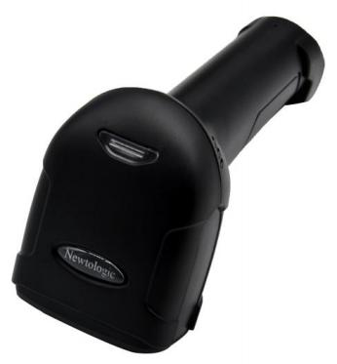
手持式二维条码无线扫描器
HandHeld 2D Barcode Wireless Scanner
无线距离：采用远距离无线通信技术，实现 100m（空旷）范围内移动扫描
锂离子电池：采用高密度 2500mAh 锂离子电池，充满电支持 5 小时持续工作
独特解码技术：采用国际顶尖解码算法，对各种一维、二维条码可以快速精准解读
高性能扫描技术：支持各种密度高、破损变形条码扫描
Newtologic
LF1650SW
V01 简易规格书 Newtologic
 |  | 手持式二维条码无线扫描器
 | HandHeld 2D Barcode Wireless Scanner
物理特性/Physical Characteristics
尺寸 Dimensions： 160mm x 64mmx 97mm | 重量 Weight： 188g
电压 Voltage： +4.2V±10% VDC | 开机电流 Starting Current： 220mA
待机电流 Stand-by Current： 165mA 性能指标/Performance Characteristics | 工作电流 Work Current： 260mA

光源
Red
color
LED;
White
color
LED
传感器像素 Image (Pixels)： 640 pixels (H) x 480 pixels (V)
Light Source：(Aimer) (Illumination)
无线信号 Wireless signal：2.4 -2.5 GHz bandwidth range
旋转倾斜偏转 Roll / Pitch / Yaw：65°(Yaw), 65°(Pitch), 360°(Roll)
打印对比度 Print Contrast：20% minimum reflective difference
接口支持 Interfaces Supported：2.4G
hours
电池规格 Battery Specification：3.7/2500mAh
充电时间 Charging Time：3.5
通信距离 Communication Distance：100m(空旷),支持存储
存储容量 Storage Capacity： 2 万条(13位字符/条) 解码能力/Symbology Decode Capability
一维条码/1-D: Codabar、Code 39、Code 32 Pharmaceutical (PARAF)、Interleaved 2 of 5、NEC 2 of 5、Code 93、Straight 2 of 5 Industial、Straight 2 of 5 IATA，Matrix 2 of 5，Code 11、Code 128、GS1-128、UPC- A、UPC-E、EAN/JAN-8、EAN/JAN-13、MSI、GS1 DataBar Omnidirectional、GS1 DataBar Limited、GS1 DataBar Expanded、China Post(Hong Kong 2 of 5)、Korea Post.
二维条码/2-D: Codeblock A、Codeblock F、PDF417、Micro PDF417、GS1 Composite Codes、QR Code、Data Matrix、MaxiCode、Aztec、HANXIN.
用户环境参数/User Environment
湿度 Humidity：5% to 95% relative humidity,non-condensing
抗震性 Shock Specifications：Designed to withstand 1.5m(5’) drops
环境光免疫 Ambient Light Immunity：0-100,000 Lux.
解码范围/Decode Ranges
Code39(5mil)：20mm-95mm
Code39(13mil)： 30mm-200mm
支付宝支付码Alipay payment code (3*3cm)： 60mm-490mm
电话:0512-86860596 E-mail:sales@newtologic.com URL:www.newtologic.com 地址： 苏州工业园区东富路 45 号联创产业园2幢4楼
Performance may be impacted by bar code quality and environmental conditions

LF1650SW
V01 简易规格书 Newtologic
 |  | 手持式二维条码无线扫描器
 | HandHeld 2D Barcode Wireless Scanner
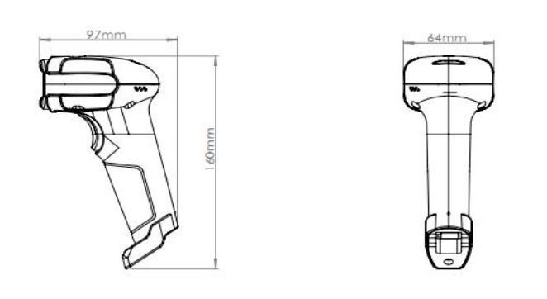 外观尺寸（单位：毫米）/ Dimension （unit: mm）

电话:0512-86860596 E-mail:sales@newtologic.com URL:www.newtologic.com 地址： 苏州工业园区东富路 45 号联创产业园2幢4楼

Sheet1 (2)
Guangzhou Ibocode Electronic Technology Co., Ltd Address: No. 14, Shetouling 1st Road, Sanlian Village, Lihu Street, Zengcheng District, Guangzhou City, Guangdong Province, China Website: https://www.Ibocode.com Contact Person: Amy Huang Email: amyrinahxy@ibocode.com Telephone/ Skype/ Whatsapp: +86-18826253532
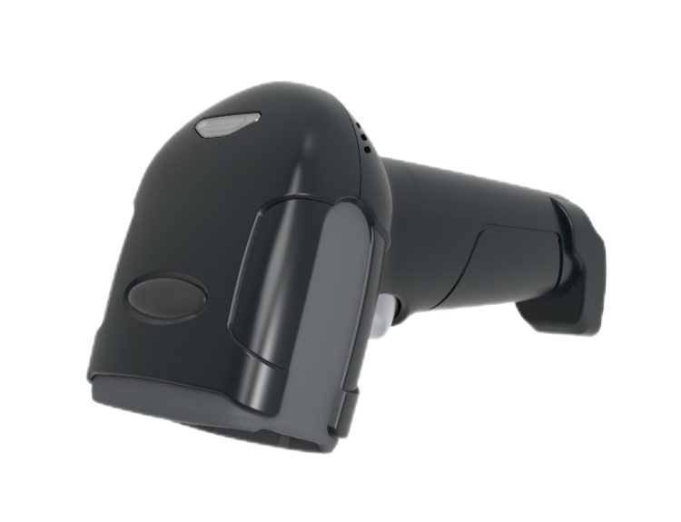 1D 2D Wireless 2.4G Handheld Barcode Scanner Model: IBC-1650W IBC-1650WB
Physical Characteristics
Dimensions: 160mm x 64mmx 97mm
Weight: 188g
Voltage: +4.2V±10% VDC
Starting Current: 220mA
Stand-by Current: 165mA
Work Current: 260mA
Performance Characteristics
Image (Pixels): 640 pixels (H) x 480 pixels (V)
Light Source: (Aimer) Red color LED; (lllumination) White color LED
Wireless signal: 2.4 -2.5 GHz bandwidth range
Roll / Pitch / Yaw: 65°(Yaw), 65°(Pitch), 360°(Roll)
Print Contrast: 20% minimum reflective difference
Interfaces Supported: 2.4G (bluetooth optional)
Battery Specification: 3.7/2500mAh
Charging Time: 3.5 hours
Communication Distance: 100m (open space)
Storage Capacity: 20,000 records (13 characters per record)
Symbology Decode Capability
1D: Codabar, Code 39, Code 32 Pharmaceutical (PARAF), Interleaved 2 of 5, NEC 2 of 5, Code 93, Straight 2 of 5 Industial, Straight 2 of 5 IATA，Matrix 2 of 5, Code 11, Code 128, GS1-128, UPC- A, UPC-E, EAN/JAN-8, EAN/JAN-13, MSI, GS1 DataBar Omnidirectional, GS1 DataBar Limited, GS1 DataBar Expanded, China Post (Hong Kong 2 of 5), Korea Post. 2D: Codeblock A, Codeblock F, PDF417, Micro PDF417, GS1 Composite Codes, QR Code, Data Matrix, MaxiCode, Aztec, HANXIN.
User Environment
Humidity: 5% to 95% relative humidity,non-condensing
Shock Specifications: Designed to withstand 1.5m(5’) drops
Ambient Light Immunity: 0-100,000 Lux.
Decode Ranges
Code39 (5mil): 20mm-95mm
Code39 (13mil): 30mm-200mm
Alipay payment code (3*3cm): 60mm-490mm
Performance may be impacted by bar code quality and environmental conditions

Sheet1 (3)
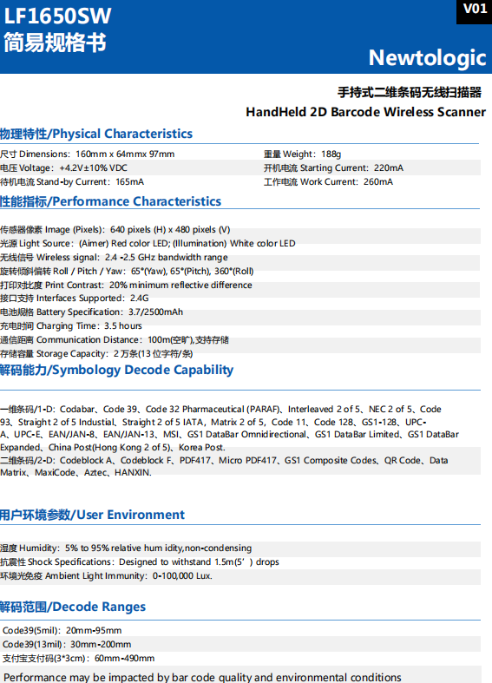
Guangzhou Ibocode Electronic Technology Co., Ltd Address: No. 14, Shetouling 1st Road, Sanlian Village, Lihu Street, Zengcheng District, Guangzhou City, Guangdong Province, China Website: https://www.Ibocode.com Contact Person: Amy Huang Email: amyrinahxy@ibocode.com Telephone/ Skype/ Whatsapp: +86-18826253532
HandHeld Wireless 2D Barcode Scanner IBC-2700R
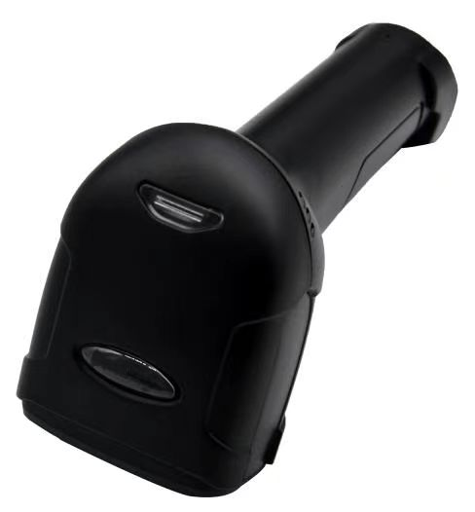
Feature: ● Wireless distance: long-distance wireless communication technology is used to achieve mobile scanning within a range of 100m (open space). ● Lithium-ion battery: high-density 2500mAh lithium-ion battery is used, and a full charge supports 5 hours of continuous work. ● Unique decoding technology: using the world's top decoding algorithm, various one-dimensional and two-dimensional barcodes can be quickly and accurately interpreted. ● High-performance scanning technology: supports scanning of various high-density, damaged and deformed barcodes.
Physical Characteristics
Dimensions: 160mm x 64mmx 97mm
Weight: 188g
Voltage: +4.2V±10% VDC
Starting Current: 220mA
Stand-by Current: 165mA
Work Current: 260mA
Performance Characteristics
Image (Pixels): 640 pixels (H) x 480 pixels (V)
Light Source: (Aimer) Red color LED; (lllumination) White color LED
Wireless signal: 2.4 -2.5 GHz bandwidth range
Roll / Pitch / Yaw: 65°(Yaw), 65°(Pitch), 360°(Roll)
Print Contrast: 20% minimum reflective difference
Interfaces Supported: 2.4G (bluetooth optional)
Battery Specification: 3.7/2500mAh
Charging Time: 3.5 hours
Communication Distance: 100m (open space)
Storage Capacity: 20,000 records (13 characters per record)
Symbology Decode Capability
1D: Codabar, Code 39, Code 32 Pharmaceutical (PARAF), Interleaved 2 of 5, NEC 2 of 5, Code 93, Straight 2 of 5 Industial, Straight 2 of 5 IATA，Matrix 2 of 5, Code 11, Code 128, GS1-128, UPC- A, UPC-E, EAN/JAN-8, EAN/JAN-13, MSI, GS1 DataBar Omnidirectional, GS1 DataBar Limited, GS1 DataBar Expanded, China Post (Hong Kong 2 of 5), Korea Post. 2D: Codeblock A, Codeblock F, PDF417, Micro PDF417, GS1 Composite Codes, QR Code, Data Matrix, MaxiCode, Aztec, HANXIN.
User Environment
Humidity: 5% to 95% relative humidity,non-condensing
Shock Specifications: Designed to withstand 1.5m(5’) drops
Ambient Light Immunity: 0-100,000 Lux.
Decode Ranges
Code39 (5mil): 20mm-95mm
Code39 (13mil): 30mm-200mm
Alipay payment code (3*3cm): 60mm-490mm
Performance may be impacted by bar code quality and environmental conditions

